Project635
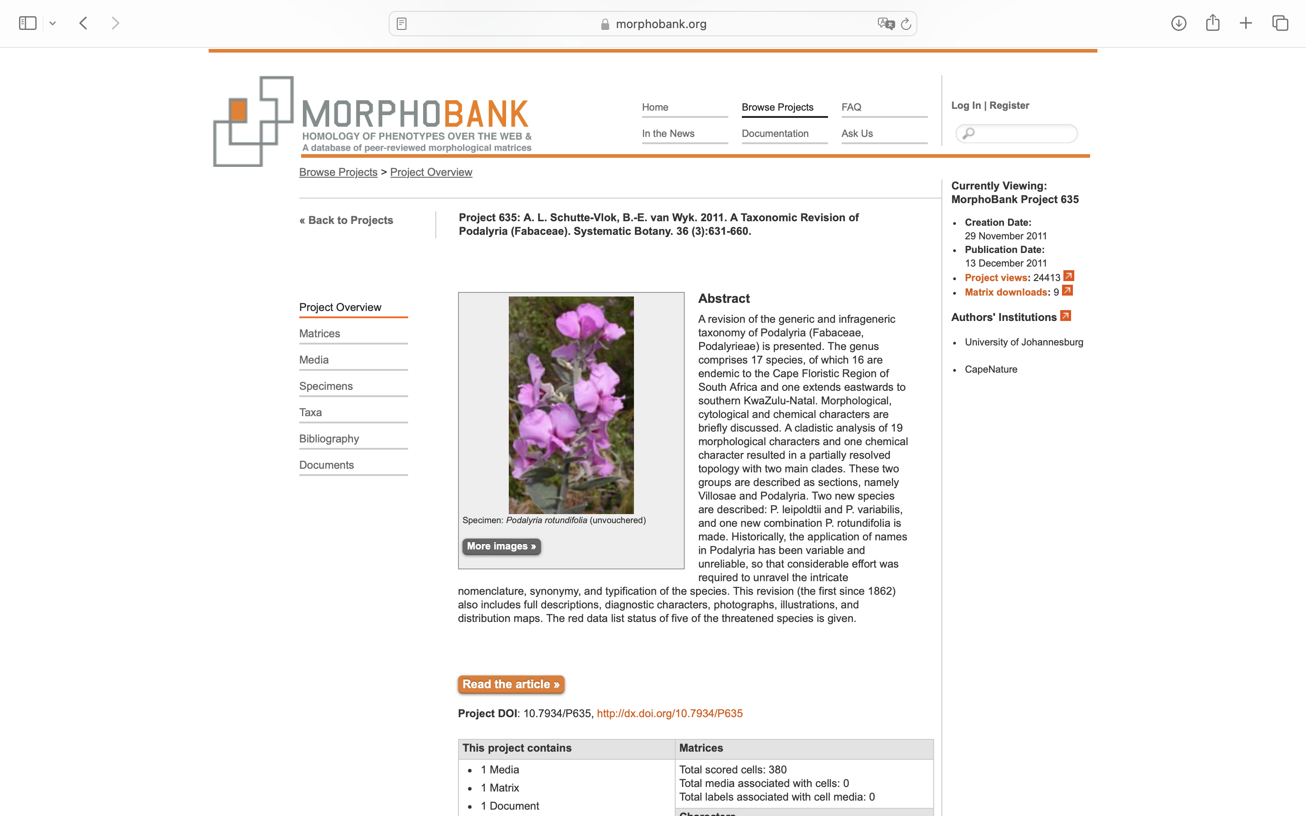
Charlabels | Character Pattern | Unseen States
[1] 'Habitat' | Transformational | YES
[2] 'Leaf margins' | Transformational | YES
[3] 'Leaf upper surface vestiture' | Transformational | YES
[4] 'Leaf venation' | Neomorphic | NO
[5] 'Leaf vestiture' | Transformational | NO
[6] 'Leaf apex' | Transformational | YES
[7] 'Leaf petiole' | Neomorphic | NO
[8] 'Bract width' | Transformational | YES
[9] 'Bract apex becoming torn as bud develops' | Neomorphic | NO
[10] 'Bract persistence' | Transformational | NO
[11] 'Sterile bracts' | Neomorphic | NO
[12] 'Influoresence rachis extension' | Neomorphic | NO
[13] 'Flower number' | Transformational | YES
[14] 'Calyx lobe length' | Transformational | YES
[15] 'Calyx length vs. keel length' | Transformational | YES
[16] 'Calyx disruption (split) between upper lobes' | Neomorphic | NO
[17] 'Calyx lobes orientation at antithesis' | Transformational | NO
[18] 'Pods' | Transformational | NO
[19] 'Number of nectar walls' | Transformational | YES
[20] 'Anthocyanins' | Neomorphic | NO

